View Manipulation
Sum of Sale |  | country
Region | gender | canada | usa
east | Female |  | 2934
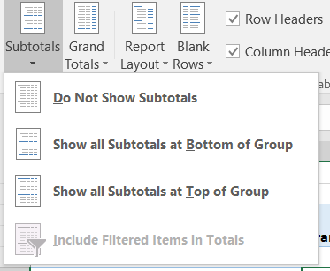
 | Male |  | 3620
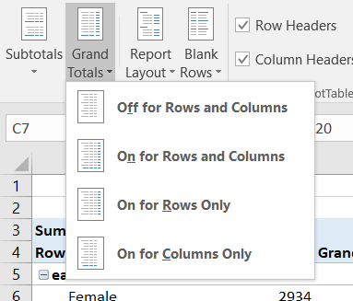
east Total |  |  | 6554
north | Female |  | 1488
 | Male |  | 1919
north Total |  |  | 3407
west | Female | 3653 | 1913
 | Male | 2920 | 702
west Total |  | 6573 | 2615

Grouping
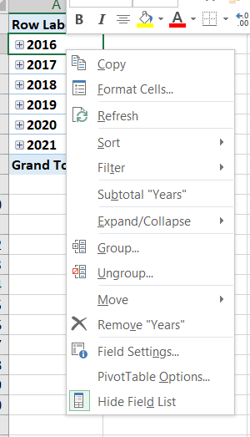

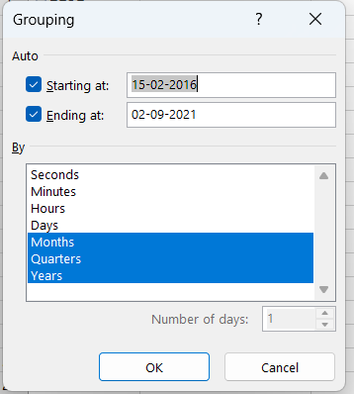

Merge Column
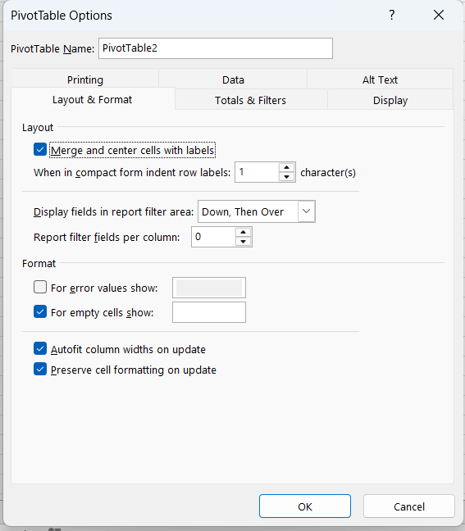
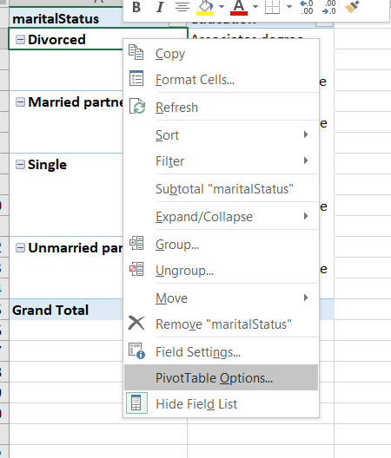
maritalStatus | education
Divorced | Associates degree
 | Bachelors degree
 | High School Graduate
Married partner | Bachelors degree
 | Masters or Doctorate
 | Some college
Single | Associates degree
 | Bachelors degree
 | Masters or Doctorate
 | Some college
Unmarried partner | Bachelors degree
 | Masters or Doctorate
 | Some college
Grand Total

Classic View
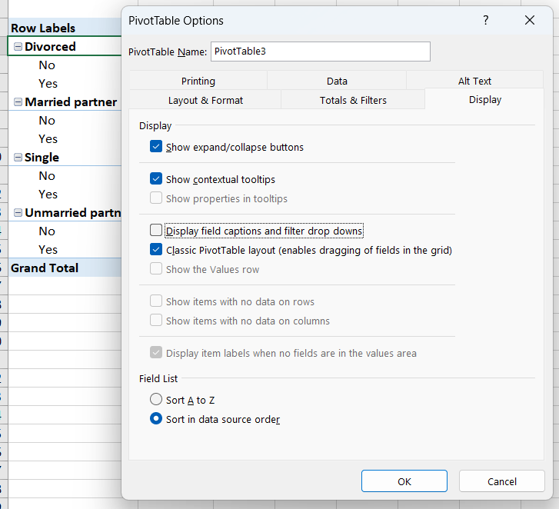
Sum of Sale
 |  | Total
Divorced | No | 1101
 | Yes | 579
Divorced Total |  | 1680
Married partner | No | 1719
 | Yes | 8299
Married partner Total |  | 10018
Single | No | 5229
Single Total |  | 5229
Unmarried partner | No | 1531
 | Yes | 691
Unmarried partner Total |  | 2222
Grand Total |  | 19149

Handle Error and Empty cell
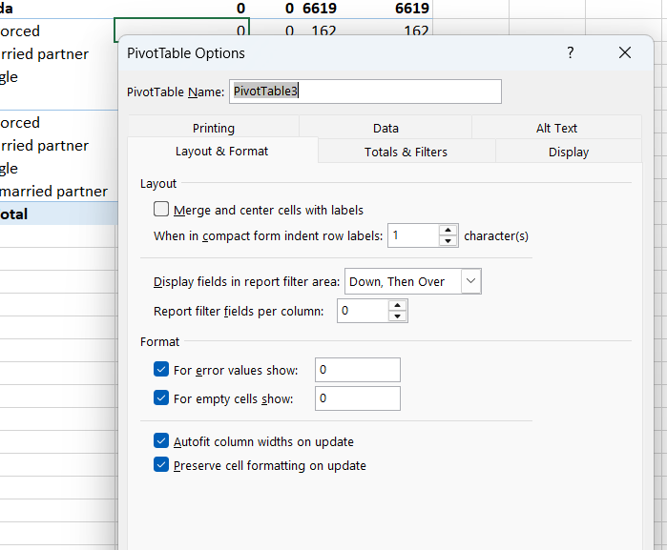
Sum of Sale | Column Labels
Row Labels | east | north | west | Grand Total
canada | 0 | 0 | 6573 | 6573
Divorced | 0 | 0 | 162 | 162
Married partner | 0 | 0 | 3690 | 3690
Single | 0 | 0 | 2721 | 2721
usa | 6554 | 3407 | 2615 | 12576
Divorced | 1101 | 417 | 0 | 1518
Married partner | 3295 | 1064 | 1969 | 6328
Single | 1382 | 731 | 395 | 2508
Unmarried partner | 776 | 1195 | 251 | 2222
Grand Total | 6554 | 3407 | 9188 | 19149

Filter
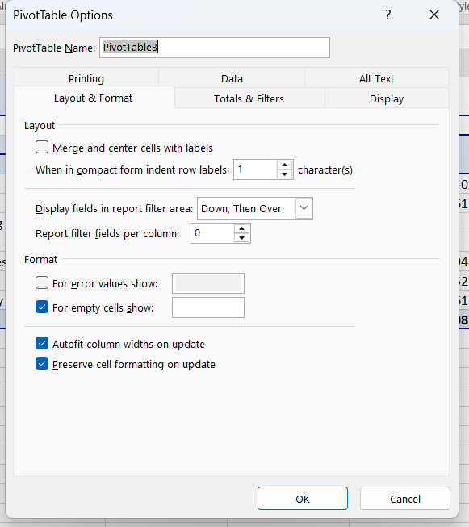

country | (All) |  | has_children | (All)
gender | (All) |  | education | (All)

Sum of Sale
 | Divorced | Married partner | Single | Unmarried partner | Grand Total
Architecture & Engineering |  |  | 140 |  | 140
Arts, Design, Sports, Media | 417 | 1145 | 2029 |  | 3591
Building & Grounds Cleaning & Maintenance |  |  |  | 691 | 691
Business & Financial | 162 | 977 |  | 483 | 1622
Community & Social Services |  | 310 | 194 |  | 504
Computer & Mathematical | 1101 | 4110 | 1352 | 259 | 6822
Education&Training&Library |  | 3476 | 1514 | 789 | 5779
Grand Total | 1680 | 10018 | 5229 | 2222 | 19149

Show expandCollpase Button
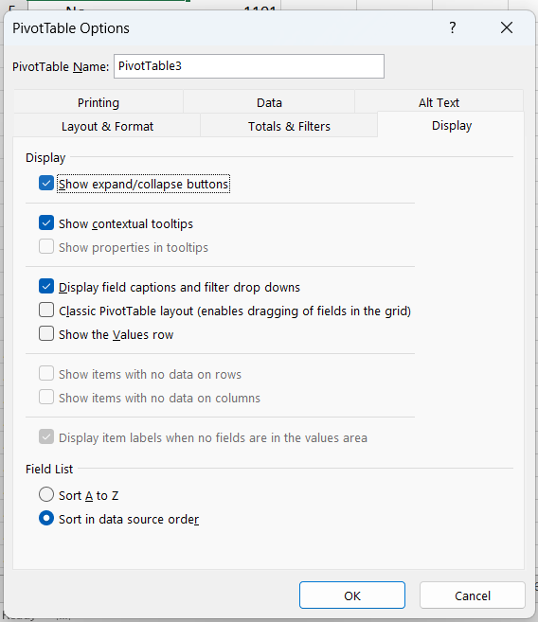
Row Labels | Sum of Sale
Divorced | 1680
No | 1101
Yes | 579
Married partner | 10018
No | 1719
Yes | 8299
Single | 5229
No | 5229
Unmarried partner | 2222
No | 1531
Yes | 691
Grand Total | 19149

DynamicRange Formula
Country | Region | Maritial Status | Sale | Cost |  | =OFFSET(reference,row,cols,height,width)
canada | west | Divorced | 162 | 107 |  | =OFFSET($A$1,0,0,COUNTA($A:$A),COUNTA($1:$1)) |  | Formula---> DefineNAME
canada | west | Married partner | 3690 | 2962
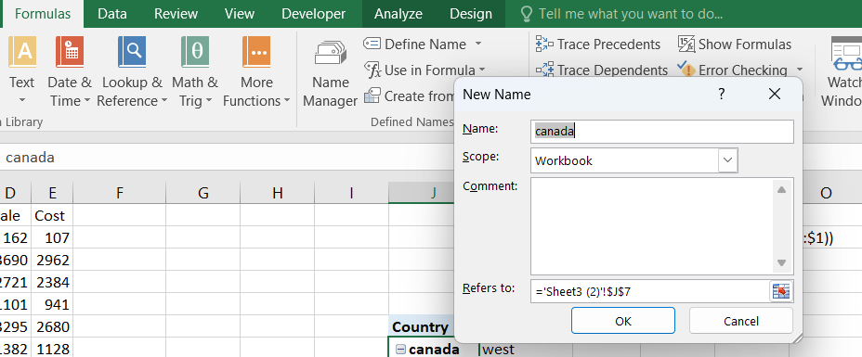
canada | west | Single | 2721 | 2384 |  |  | #VALUE!
usa | east | Divorced | 1101 | 941
usa | east | Married partner | 3295 | 2680 | Country | Region
usa | east | Single | 1382 | 1128 | canada | west
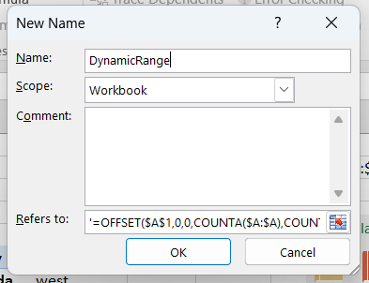
usa | east | Unmarried partner | 776 | 545 | usa | east
usa | north | Divorced | 417 | 386 |  | north
usa | north | Married partner | 1064 | 797 |  | west
usa | north | Single | 731 | 600 | Grand Total
usa | north | Unmarried partner | 1195 | 955
usa | west | Married partner | 1969 | 1503
usa | west | Single | 395 | 249
usa | west | Unmarried partner | 251 | 196

Calculation
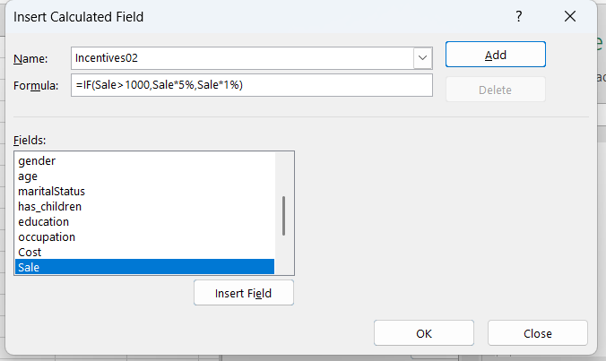
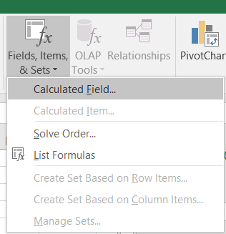
 |  |  | CALCULATED FIELD

Sales ID | Sum of Sale | Sum of Incentives02 | ANALYZE
PR-S-01 | 1445 | 72.25 | Fields,Items & Sets
PR-S-02 | 1564 | 78.2 | Calculated Fields
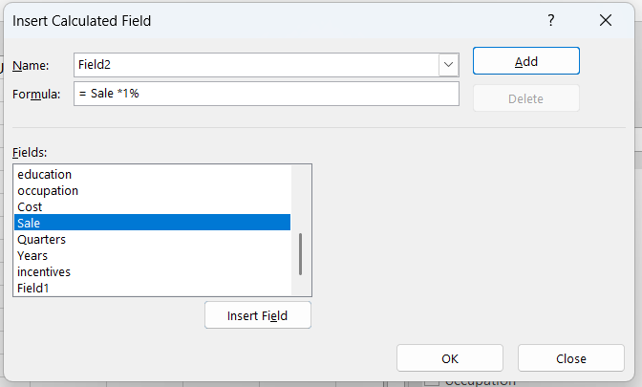
PR-S-03 | 957 | 9.57
PR-S-04 | 1120 | 56
PR-S-05 | 861 | 8.61
PR-S-06 | 862 | 8.62
PR-S-07 | 749 | 7.49
PR-S-08 | 2011 | 100.55
PR-S-09 | 713 | 7.13
PR-S-10 | 631 | 6.31
PR-S-11 | 2003 | 100.15
PR-S-12 | 754 | 7.54
PR-S-13 | 3161 | 158.05
PR-S-14 | 1877 | 93.85
PR-S-15 | 441 | 4.41
Grand Total | 19149 | 957.45

